Home Page
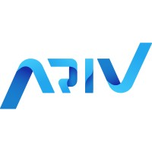

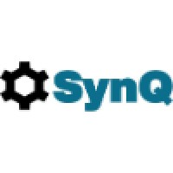


 | Home Page | About US | Optimization Solutions | Case Studies | Explore for Free | Contact Us


 | Main Heading (H1):
 | Optimize Your Projects Efficiently with Advanced Scheduling Solutions
 | Subheading (H2):
Logo | Cut Costs, Save Time, and Enhance Productivity with Data-Driven Scheduling Optimization

 |  |  |  |  |  |  |  | Add these below text throughout the home page.

Use scheduling / project management software related pictures though out the website
 |  |  |  |  |  |  | Transform Your Business with Our Novel Tecnhlogy to Optimize and Manage Projects and Resources
Catchy Taglines (Use Throughout the Site):
"The Smart Way to Manage Projects"
"Optimize. Automate. Deliver Faster. |  |  |  |  |  |  | Backed by years of rigorous research and development, our solutions are built on the latest advancements in optimization and heuristics methods.
"Your All-in-One Solution for Project Scheduling Optimization"
"Get Optimize Results in Seconds, Not Even Minutes"
"Stay on Time, Stay on Budget"
Save Planning Cost & Time"
 |  |  |  |  |  |  | Do you know large scale scheduling problems are NP hard means computationally hard to solve but it can solved by latest hybrid decomposition methds

 |  |  |  |  |  |  | Expert Support: Our dedicated team is here to support you every step of the way.

 |  |  |  |  |  |  | User-Friendly Software.

At the end of Home Page
Our Customers & Partners

Optimization Solutions

Our intuitive interface lets you manage and optimize everything through clean and simple dashboards, providing real-time insights into project progress, task dependencies, and resource allocation. See everything at a glance with interactive charts and graphs.

No more guesswork—make data-driven decisions using advanced optimization techniques.Cut Costs without loosing quality.
Get compelete control over total project time and cost

How It Works:
1. Input Your Data
Add number of projects details, , workers, Planning horizon and Calender and no of criteria easily in the software or simply via Excel file upload.
2. Set Constraints
Set your own constraints /condtions for optimizing for cost , time , projects precedence and workers availability
3. Set Objective
Set you own objective depends upon the requirements such as time optimization , cost optimizaiton, maximize resources utilization or optimize all.
4. Run the Optimization
Our powerful engine calculates the optimal schedule based on multiple criteria, including worker availability, task dependencies, budget and many more
5. Get Results Fast
Receive an optimized schedule in seconds, complete with Excel reports and visualizations.
6 Download the Optimize Generative Schedule
Download detailed actionable reports, including Gantt charts and summary dashboard
Gantt Charts: Easily track project timelines and task dependencies.
Cost Breakdowns: Visualize workforce costs to identify savings opportunities.
Resource Utilization: Ensure your team is performing at full capacity.

Most of the time our univeral package software fulfills the clients requirements .But If you need additional features, feel free to reach out to us, and we will add specific functionality in the software to meet your specific requirements including consultancy with our experts.

 | Here we will post 3 to 4 pictures of the software showing input , Run , Output and Graph


Reverse Logistics : Reduce your carbon foot prints by adopting our unique and easy solution.

User-Friendly Software

We deliver these powerful solutions through software that is incredibly easy to use. Our user-centric design ensures that you can quickly input data, test scenarios, and make informed decisions without any hassle.

Case Studies
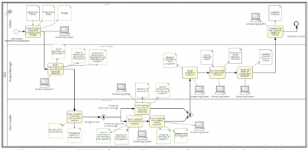
OPTIMIZATION MODEL BASED ON BUSINESS PROCESS RE ENGINEERING

Hyrbrid Approach To Minimize Construction Project Delays

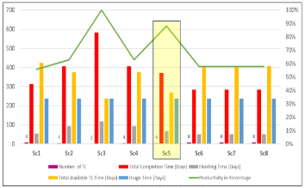
Impacts of Multi-skills on Project Productivity and Completion Time: A Building Renovation Case Study

These will be the links that will open a case study in the website.

Explore for free
Choose the Plan That’s Right for You

Cloud-Powered Performance
Enjoy seamless performance with our SaaS platform, accessible from anywhere.
No installation needed—simply log in and start optimizing.
Scalable to handle growing project portfolios.

Free Trial
Explore our software for free for limited time
Universal Plan
Everything you need to manage and optimize your projects and resources.
Discuss with us your planning size & scope and get quote from us
Customize Plan
Customize the software based on your requirements , add specifics functionalities in the software.Consultancy services included.

Sign Up

Log in

Call-to-Action (CTA):
Sign Up for Free Trial | “Start Optimizing Your Project Planning Now” –

Contact Us
Founders Short Description
and their picures. I will give
share pictures and founders
paragaraph later
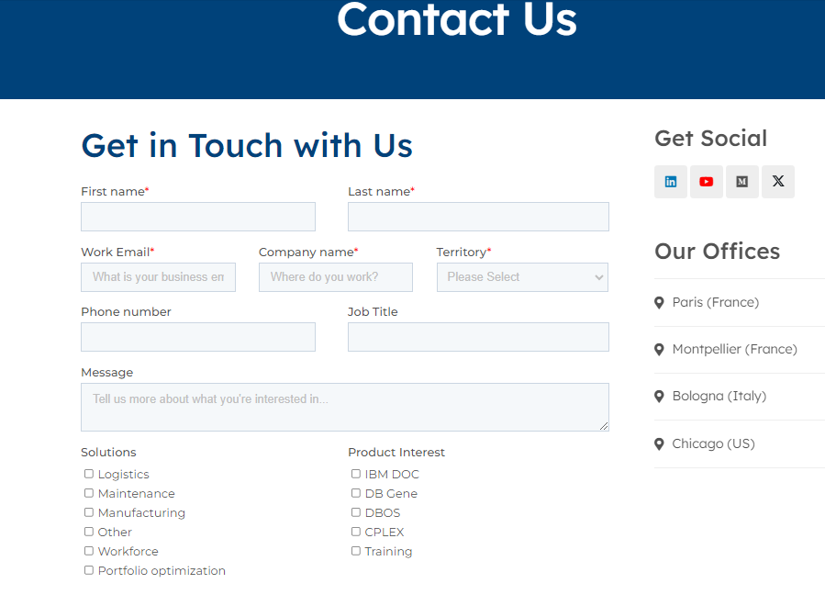
Picture 1

Picture 2

 |  | contact us form sample

 | Get in Touch
Our Office | Have questions or need a custom solution? Reach out to us anytime, and we’ll be happy to assist you.
 | Contact Form: [Insert Form]
Montreal , Canada | Email: support@yourdomain.com

